Clients Requirement
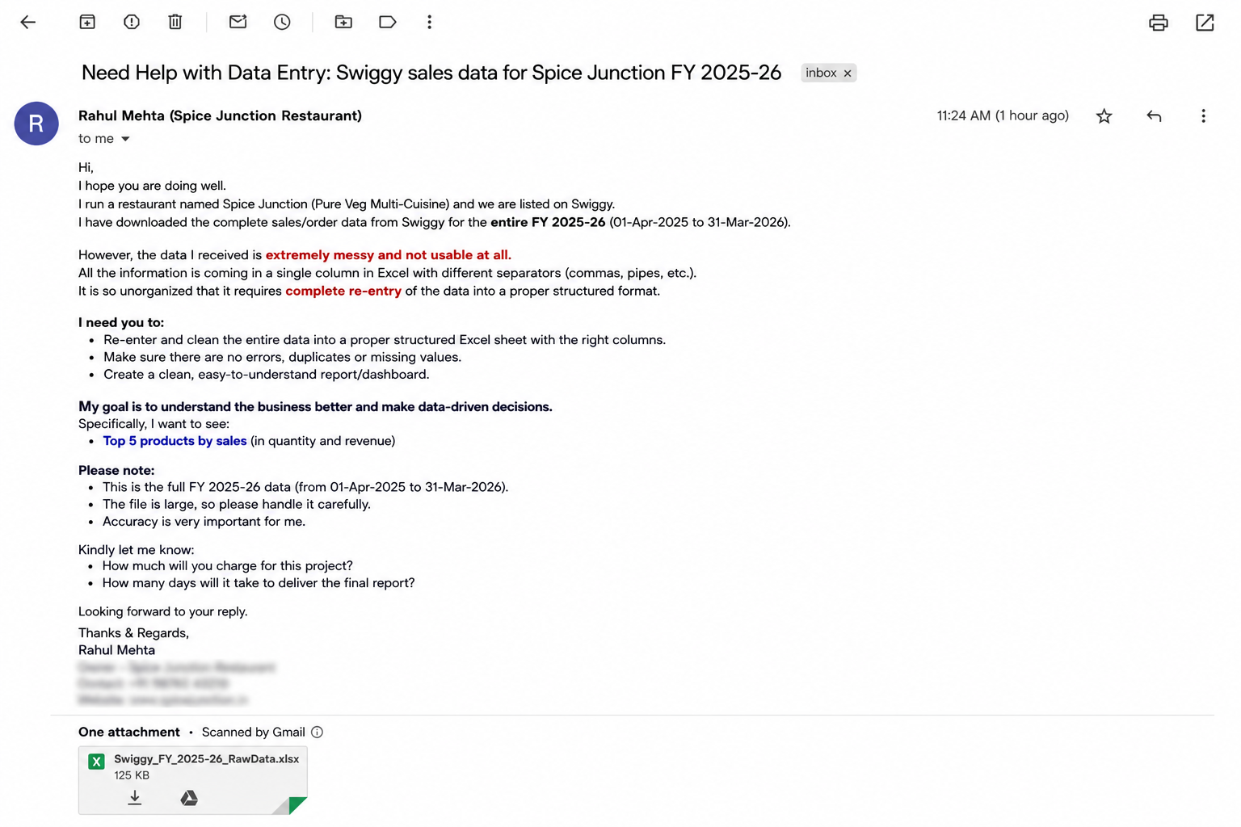
Clients's Requirement

Top 5 product by sale
Top 5 product by sale

Row Labels | Sum of Quantity
Butter Naan | 88
Tandoori Roti | 68
Chicken Biryani | 64
Garlic Naan | 60
Mixed Veg Curry | 57
Grand Total | 337

